S11
S17 气泵精准血压心电图健康手表 规格书 Specifications
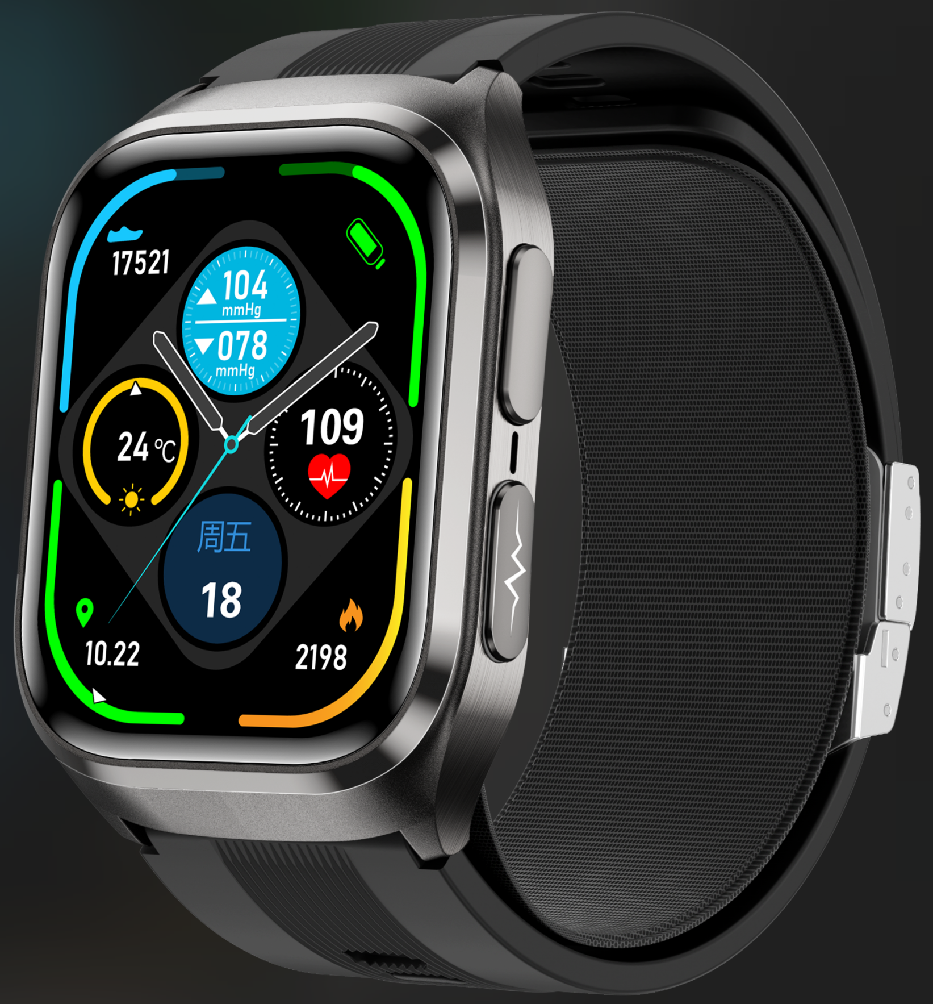 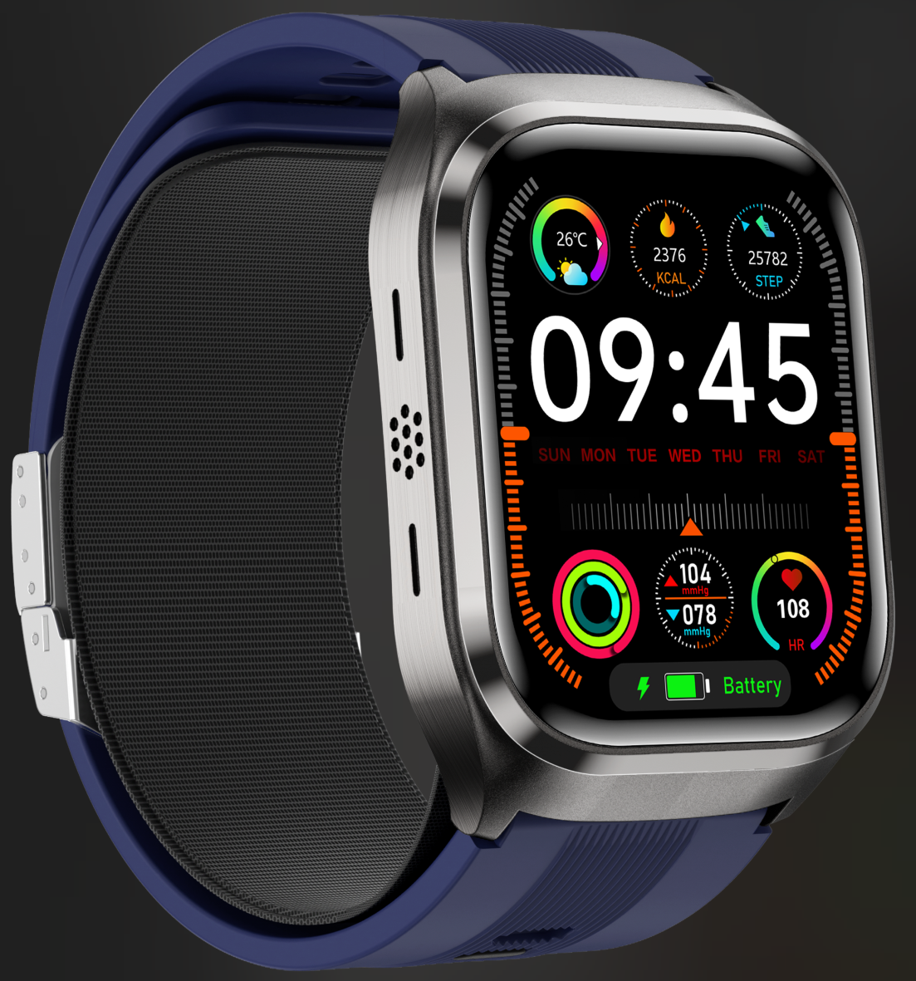 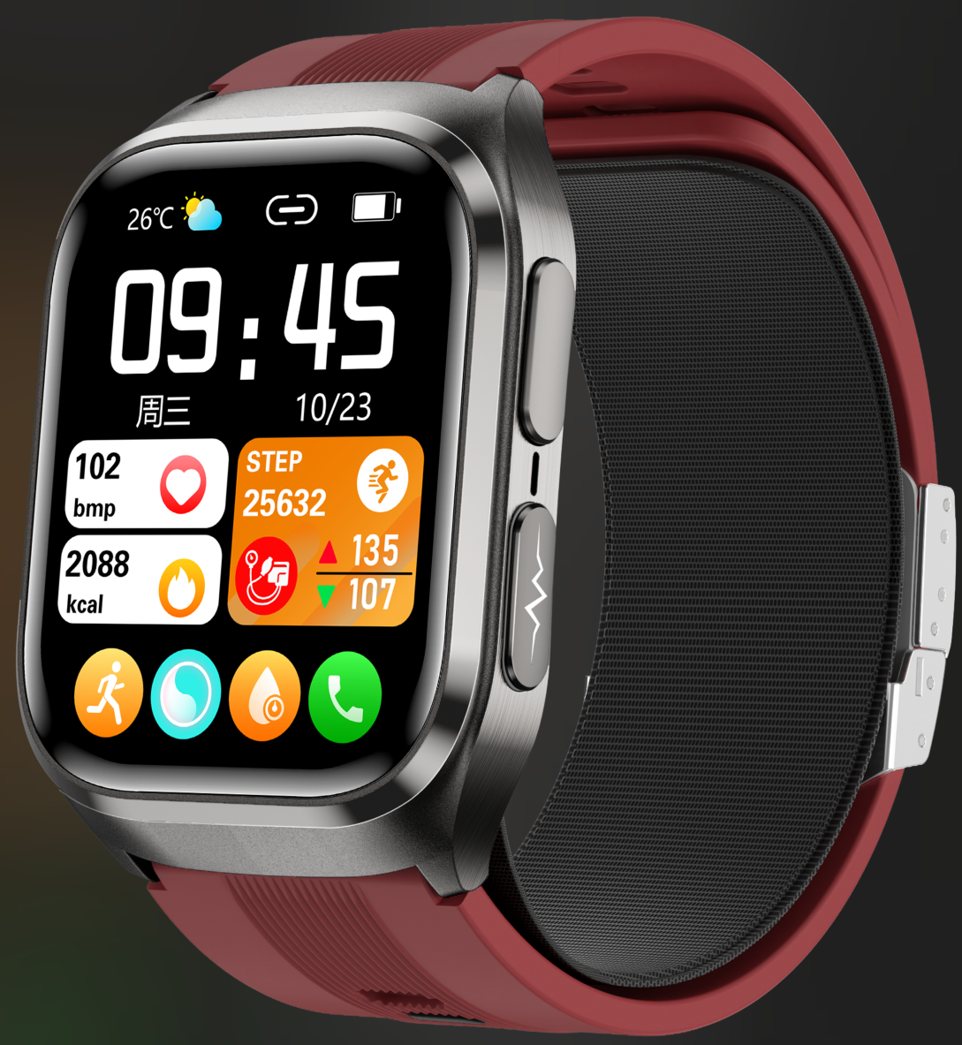 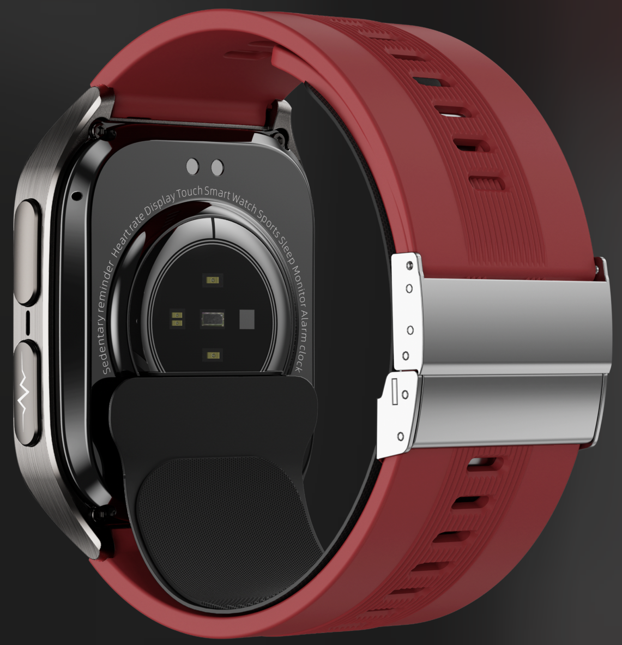
Catalog | Product Parameter |  | 目录 | 产品参数
Base Parameter | Product Model | S17 | 基本参数 | 产品型号 | S17
 | Main feature | Air pump+air bag type true blood pressure accurate test, 2.06-inch AMOLED retina touch screen, ECG nano-glass, blood pressure voice broadcast, Bluetooth call, TPU ultra-thin comfortable air bag (detachable), ECG electrocardiogram, AI intelligent diagnosis, remote care for relatives and friends, blood sugar, uric acid, blood lipid, body temperature, blood oxygen, sleep monitoring, breathing training, NFC access control, and long battery life of 530mAh. APP:Healthwear |  | 主要特点 | 气泵+气囊式真血压精准测试，2.06英寸AMOLED视网膜触摸屏，心电纳米玻璃，血压语音播报，蓝牙通话，TPU超薄舒适气囊（可拆卸），ECG心电图，AI智能诊断，远程亲友关爱，血糖、尿酸、血脂、体温、血氧、睡眠监测，呼吸训练，NFC门禁，530mAh电池超长续航。 APP:Healthwear
 | Blood pressure test type | Air pump+air bag type accurate true blood pressure |  | 血压类型 | 气泵+气囊式精准真血压
 | Air pressure sensor | Nonlinear high precision air pressure sensor |  | 气压传感器 | 非线性高精密气压传感器
 | Master Chip | JL7012A6 |  | 主控芯片 | JL7012A6
 | ECG Chip | GH3220T |  | 心电芯片 | 汇顶 GH3220T
 | PPG chip | Osram SFH2703+GH3220T |  | 光电芯片 | 欧司朗SFH2703+GH3220T
 | Temperature sensor | Contact NTC temperature sensor |  | 体温传感器 | 接触式NTC温度传感器
 | G sensor | SC7A20 |  | 加速度传感器 | SC7A20
 | vibrate | Mute/vibrate |  | 振动 | 静音/震动
 | Compatible System | Android 8.0 and above，iOS 11.0 and above |  | 兼容系统 | Android 8.0 and above，iOS 11.0 and above
 | Remote care | APP family or friends share monitoring real-time data. |  | 远程亲友关爱 | APP家庭或好友共享监测实时数据
 | Main Feature | Thin comfortable airbag (detachable), ECG, AI intelligent diagnosis, remote care for relatives and friends, blood sugar monitoring, uric acid monitoring, blood lipid monitoring, body temperature monitoring, blood oxygen monitoring, breathing training, sleep monitoring, sedentary reminder and other health management functions. |  | 健康主要卖点 | 气泵+气囊式真血压精准测试，心电纳米玻璃，血压语音播报，TPU超薄舒适气囊（可拆卸），ECG心电图，AI智能诊断，远程亲友关爱，血糖监测，尿酸监测，血脂监测，体温监测，血氧监测，呼吸训练，睡眠监测，久坐提醒等健康管理功能。
 | Other Functions | NFC access control, step counting, calories, distance, exercise mode, incoming call reminder, alarm clock reminder, raising hand to light up the screen, information reminder, etc. |  | 其他功能 | NFC门禁、计步、卡路里、距离、运动模式、来电提醒、闹钟提醒、抬手亮屏、信息提醒等。
Screen | Screen Size | 2.06-inch AMOLED high resolution 410*502 | 显示屏 | 屏幕尺寸 | 2.06英寸AMOLED高分辨率410*502
 | Screen Type | AMOLED HD large screen |  | 屏幕类型 | AMOLED高清大屏
Connect Parameter | BLuetooth | BLE 5.3(low power consumption) | 连接参数 | 蓝牙版本 | 5.3BLE（低功耗）
Other Parameter | Battery Type | High density li-polymer | 其它参数 | 电池类型 | 高密度聚合物锂电池
 | Battery Capcaity | 530mAh |  | 电池容量 | 530mAh
 | Charging Type | Magnetic charging (with short circuit protection) |  | 充电方式 | 磁吸充电（带短路保护）
 | Endurance Time | Use for 7-12 days and stand by for 30-40 days |  | 续航时间 | 使7-12天、待机30-40天
 | Manipulation Mode | Full screen touch control, mobile APP control |  | 操控方式 | 全屏触摸操控、手机APP控制
 | Language | For the wristband:English, Chinese, Korean, Russian, Traditional Chinese, Japanese, French, German, Italian, Portuguese, Spanish, Polish. For the app:Chinese, Traditional Chinese, English, Japanese, German, Russian, Italian, French, Spanish, Portuguese, Thai, Czech, Greek, Polish, Vietnamese, Turkish, Romanian, Hungarian, Danish, Finnish, Arabic, Ukrainian, Hebrew, Persian, Irish, Slovak, Norwegian, Korean, Croatian, Swedish, Indonesian. |  | 产品语言 | 手环端语言：英文，中文，韩文，俄文，繁体中文，日文，法语，德语，意大利文，葡萄牙语，西班牙语，波兰语。 APP语言：中文 、繁体、英语 、日语、德语、俄语、意大利语、法语、西班牙语、葡萄牙语、泰语、捷克语、希腊语、波兰语、越南语、土耳其语、罗马尼亚语、匈牙利语、丹麦语、芬兰语、阿拉伯语、乌克兰语、希伯来语、波斯文、爱尔兰语、斯洛伐克语、挪威语、韩语、克罗地亚语、瑞典语，印度尼西亚语。
 | Material | Shell: Metal alloy Bottom shell: PC+ABS+medical grade high-performance conductive glass Watch strap: environmentally friendly silicone Airbag: environmentally friendly TPU material |  | 外观材质 | 外壳：金属合金 底壳：PC+ABS+医疗级高性能导电玻璃 表带：环保硅胶 气囊：环保TPU材质
 | Color | 3 colors (black/blue/red) |  | 产品颜色 | 3个配色 (黑色/蓝色/红色）
Packing | Packing | Watch, airbag, charging cable, wrist band scale, instruction manual, ECG reminder card, blood pressure reminder card, packaging box. | 包装 | 包装清单 | 手表、气囊、充电线、腕带刻度尺、使用说明书、心电提示卡、血压提示卡、包装盒
 | Bracelet size | 273*43*14MM (length, width and height) |  | 手表尺寸 | 273*43*14MM(长宽高）
 | Box Szie | 122*107*78MM (length, width and height) |  | 包装尺寸 | 122*107*78MM （长宽高）

